Product Information Example
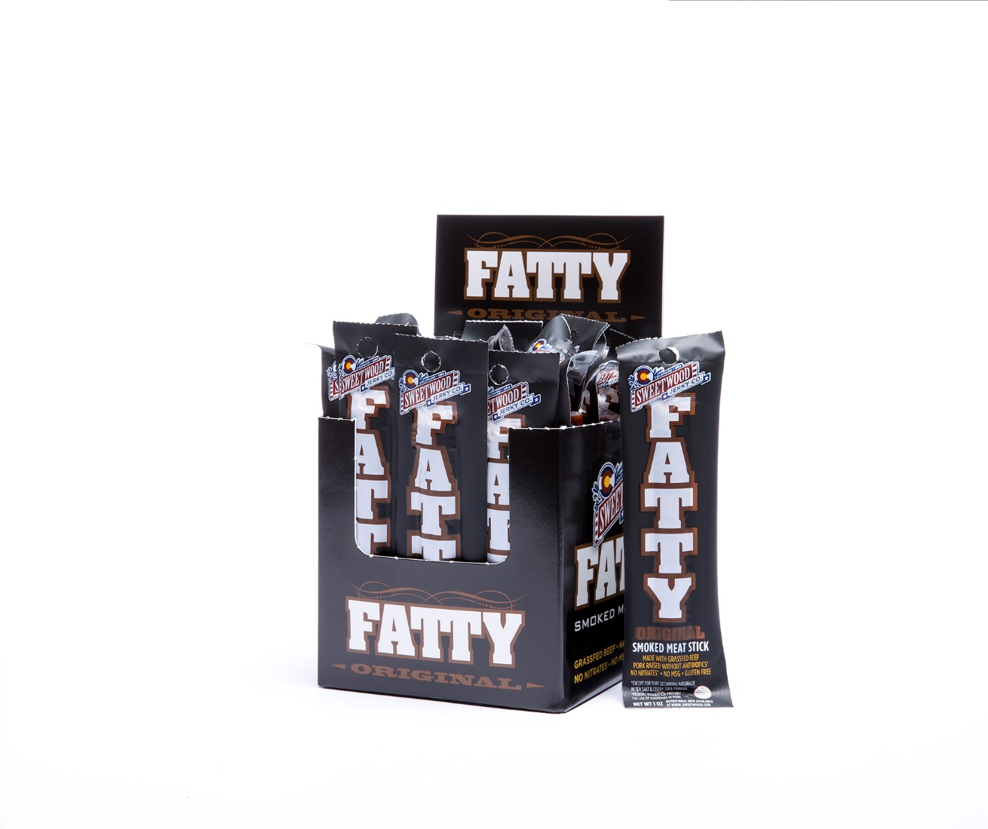


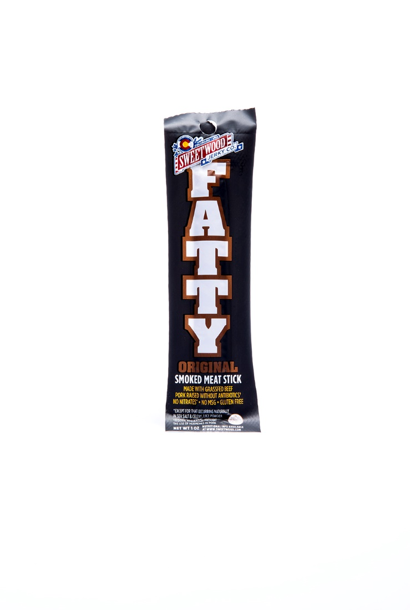
LoCo Food Distribution - Product Image Form Sample
please insert the following pictures and information for all items listed on the new item form tab.

CURRENT RETAILERS AND LISTED SRP'S | OTHER DISTRIBUTORS FOR THESE PRODUCTS |  | MARKETING BUDGET | COMPANY LOGO
Fatty Sticks - Safeway $1.99, Sprouts $2.29 | UNFI |  | PROMO PLANS | 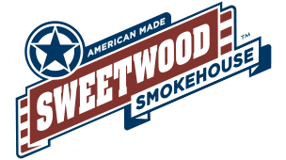
 |  |  | $0.75 scanback for the months of January and April. $1.00 scanback for the months of October and December.

 |  |  | DEMO PLANS
 |  |  | 4 Demos per chain per month.
 |  |  | ADVERTISING/MARKETING BUDGET
 |  |  | $5,000 to spend yearly on additional advertising and in-store support.

PRODUCT IMAGES (FRONT VIEW) |  | PRODUCT NUTRITIONAL PANEL |  |  | UPC'S

